Instructions
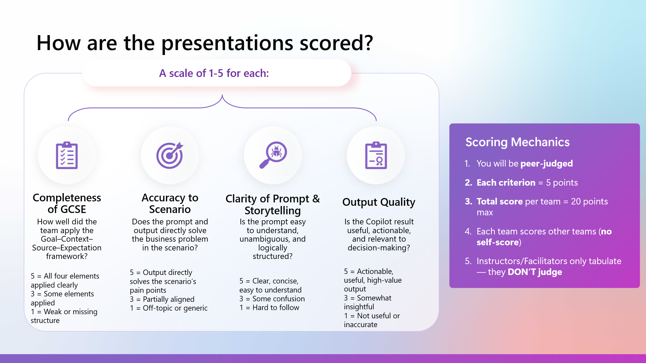
Copilot Promptathon – Peer Judging Sheet

How to use this file:
1. Go to the 'Score Entry' sheet.
2. For each team presenting, enter your own team name under 'Judging Team' and the team you are scoring under 'Team Scored'.
3. Score each criterion from 1 to 5.
4. The 'Total Score' column will be calculated automatically.

Scoring Criteria (1–5 each):
1. Completeness of GCSE – How well did they apply Goal, Context, Source, Expectations?
2. Accuracy to Scenario – Does the prompt and output directly address the fictional business challenge?
3. Clarity of Prompt – Is the prompt clear, structured and easy to understand (for humans and Copilot)?
4. Output Quality – Is the Copilot output actionable, relevant and valuable for decision-making?

Important Notes:
- Teams should NOT score themselves.

